SUPERGA
Nome articolo | Descrizione Articolo | Codice Colore | Descrizione Colore | Taglia | Custom tarif | Codice Ean 13 | Codice articolo | Quantità | WHOLESALE | RETAIL EURO | Made in
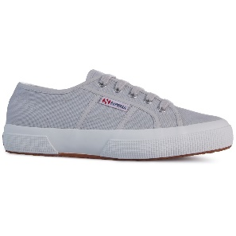 2750-COTU CLASSIC | SNEAKER | 04Y | Grey Ash | 35 | 64041100 | 8016279463455 | S000010 | 2 | € 28.92 | 65.00 € | Viet Nam
2750-COTU CLASSIC | SNEAKER | 04Y | Grey Ash | 36 | 64041100 | 8016279463479 | S000010 | 5 | € 28.92 | 65.00 € | Viet Nam
2750-COTU CLASSIC | SNEAKER | 04Y | Grey Ash | 37 | 64041100 | 8002390893523 | S000010 | 8 | € 28.92 | 65.00 € | Viet Nam
2750-COTU CLASSIC | SNEAKER | 04Y | Grey Ash | 37,5 | 64041100 | 8016279463486 | S000010 | 2 | € 28.92 | 65.00 € | Viet Nam
2750-COTU CLASSIC | SNEAKER | 04Y | Grey Ash | 38 | 64041100 | 8016279463493 | S000010 | 11 | € 28.92 | 65.00 € | Viet Nam
2750-COTU CLASSIC | SNEAKER | 04Y | Grey Ash | 39 | 64041100 | 8016279463509 | S000010 | 9 | € 28.92 | 65.00 € | Viet Nam
2750-COTU CLASSIC | SNEAKER | 04Y | Grey Ash | 39,5 | 64041100 | 8016279463516 | S000010 | 2 | € 28.92 | 65.00 € | Viet Nam
2750-COTU CLASSIC | SNEAKER | 04Y | Grey Ash | 40 | 64041100 | 8016279463523 | S000010 | 6 | € 28.92 | 65.00 € | Viet Nam
2750-COTU CLASSIC | SNEAKER | 04Y | Grey Ash | 41 | 64041100 | 8016279463530 | S000010 | 3 | € 28.92 | 65.00 € | Viet Nam
2750-COTU CLASSIC | SNEAKER | 04Y | Grey Ash | 42 | 64041100 | 8002390893530 | S000010 | 2 | € 28.92 | 65.00 € | Viet Nam
 |  |  |  |  |  |  |  | 50
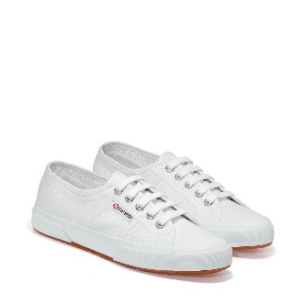 2750-COTU CLASSIC | SNEAKER | 901 | White | 35 | 64041100 | 8030859157695 | S000010 | 17 | € 28.92 | 65.00 € | Viet Nam
2750-COTU CLASSIC | SNEAKER | 901 | White | 36 | 64041100 | 8030859157701 | S000010 | 46 | € 28.92 | 65.00 € | Viet Nam
2750-COTU CLASSIC | SNEAKER | 901 | White | 37 | 64041100 | 8030859157718 | S000010 | 80 | € 28.92 | 65.00 € | Viet Nam
2750-COTU CLASSIC | SNEAKER | 901 | White | 37,5 | 64041100 | 8059075690373 | S000010 | 18 | € 28.92 | 65.00 € | Viet Nam
2750-COTU CLASSIC | SNEAKER | 901 | White | 38 | 64041100 | 8030859157725 | S000010 | 115 | € 28.92 | 65.00 € | Viet Nam
2750-COTU CLASSIC | SNEAKER | 901 | White | 39 | 64041100 | 8030859157732 | S000010 | 95 | € 28.92 | 65.00 € | Viet Nam
2750-COTU CLASSIC | SNEAKER | 901 | White | 39,5 | 64041100 | 8059075690380 | S000010 | 16 | € 28.92 | 65.00 € | Viet Nam
2750-COTU CLASSIC | SNEAKER | 901 | White | 40 | 64041100 | 8030859157749 | S000010 | 62 | € 28.92 | 65.00 € | Viet Nam
2750-COTU CLASSIC | SNEAKER | 901 | White | 41 | 64041100 | 8030859157756 | S000010 | 34 | € 28.92 | 65.00 € | Viet Nam
2750-COTU CLASSIC | SNEAKER | 901 | White | 42 | 64041100 | 8030859157763 | S000010 | 17 | € 28.92 | 65.00 € | Viet Nam
 |  |  |  |  |  |  |  | 500
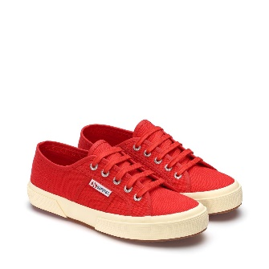 2750-COTU CLASSIC | SNEAKER | 975 | Red | 35 | 64041100 | 8030859157923 | S000010 | 1 | € 28.92 | 65.00 € | Viet Nam
2750-COTU CLASSIC | SNEAKER | 975 | Red | 36 | 64041100 | 8030859157930 | S000010 | 4 | € 28.92 | 65.00 € | Viet Nam
2750-COTU CLASSIC | SNEAKER | 975 | Red | 37 | 64041100 | 8030859157947 | S000010 | 6 | € 28.92 | 65.00 € | Viet Nam
2750-COTU CLASSIC | SNEAKER | 975 | Red | 37,5 | 64041100 | 8059075690823 | S000010 | 2 | € 28.92 | 65.00 € | Viet Nam
2750-COTU CLASSIC | SNEAKER | 975 | Red | 38 | 64041100 | 8030859157954 | S000010 | 9 | € 28.92 | 65.00 € | Viet Nam
2750-COTU CLASSIC | SNEAKER | 975 | Red | 39 | 64041100 | 8030859157961 | S000010 | 8 | € 28.92 | 65.00 € | Viet Nam
2750-COTU CLASSIC | SNEAKER | 975 | Red | 39,5 | 64041100 | 8059075690830 | S000010 | 1 | € 28.92 | 65.00 € | Viet Nam
2750-COTU CLASSIC | SNEAKER | 975 | Red | 40 | 64041100 | 8030859157978 | S000010 | 5 | € 28.92 | 65.00 € | Viet Nam
2750-COTU CLASSIC | SNEAKER | 975 | Red | 41 | 64041100 | 8030859157985 | S000010 | 3 | € 28.92 | 65.00 € | Viet Nam
2750-COTU CLASSIC | SNEAKER | 975 | Red | 42 | 64041100 | 8030859157992 | S000010 | 1 | € 28.92 | 65.00 € | Viet Nam
 |  |  |  |  |  |  |  | 40
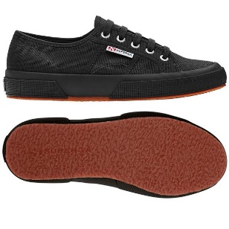 2750-COTU CLASSIC | SNEAKER | 996 | Full Black | 35 | 64041100 | 8030859158296 | S000010 | 1 | € 28.92 | 65.00 € | Viet Nam
2750-COTU CLASSIC | SNEAKER | 996 | Full Black | 36 | 64041100 | 8030859158302 | S000010 | 4 | € 28.92 | 65.00 € | Viet Nam
2750-COTU CLASSIC | SNEAKER | 996 | Full Black | 37 | 64041100 | 8030859158319 | S000010 | 6 | € 28.92 | 65.00 € | Viet Nam
2750-COTU CLASSIC | SNEAKER | 996 | Full Black | 37,5 | 64041100 | 8059075690878 | S000010 | 2 | € 28.92 | 65.00 € | Viet Nam
2750-COTU CLASSIC | SNEAKER | 996 | Full Black | 38 | 64041100 | 8030859158326 | S000010 | 9 | € 28.92 | 65.00 € | Viet Nam
2750-COTU CLASSIC | SNEAKER | 996 | Full Black | 39 | 64041100 | 8030859158333 | S000010 | 8 | € 28.92 | 65.00 € | Viet Nam
2750-COTU CLASSIC | SNEAKER | 996 | Full Black | 39,5 | 64041100 | 8059075690885 | S000010 | 1 | € 28.92 | 65.00 € | Viet Nam
2750-COTU CLASSIC | SNEAKER | 996 | Full Black | 40 | 64041100 | 8030859158340 | S000010 | 5 | € 28.92 | 65.00 € | Viet Nam
2750-COTU CLASSIC | SNEAKER | 996 | Full Black | 41 | 64041100 | 8030859158357 | S000010 | 3 | € 28.92 | 65.00 € | Viet Nam
2750-COTU CLASSIC | SNEAKER | 996 | Full Black | 42 | 64041100 | 8030859158364 | S000010 | 1 | € 28.92 | 65.00 € | Viet Nam
 |  |  |  |  |  |  |  | 40
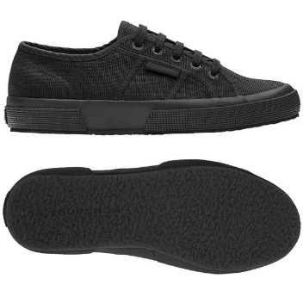 2750-COTU CLASSIC | SNEAKER | 997 | Total Black | 35 | 64041100 | 8027161236507 | S000010 | 3 | € 28.92 | 65.00 € | Viet Nam
2750-COTU CLASSIC | SNEAKER | 997 | Total Black | 36 | 64041100 | 8027161236514 | S000010 | 9 | € 28.92 | 65.00 € | Viet Nam
2750-COTU CLASSIC | SNEAKER | 997 | Total Black | 37 | 64041100 | 8027161236521 | S000010 | 16 | € 28.92 | 65.00 € | Viet Nam
2750-COTU CLASSIC | SNEAKER | 997 | Total Black | 37,5 | 64041100 | 8059075690922 | S000010 | 4 | € 28.92 | 65.00 € | Viet Nam
2750-COTU CLASSIC | SNEAKER | 997 | Total Black | 38 | 64041100 | 8027161236538 | S000010 | 23 | € 28.92 | 65.00 € | Viet Nam
2750-COTU CLASSIC | SNEAKER | 997 | Total Black | 39 | 64041100 | 8027161236545 | S000010 | 20 | € 28.92 | 65.00 € | Viet Nam
2750-COTU CLASSIC | SNEAKER | 997 | Total Black | 39,5 | 64041100 | 8059075690939 | S000010 | 3 | € 28.92 | 65.00 € | Viet Nam
2750-COTU CLASSIC | SNEAKER | 997 | Total Black | 40 | 64041100 | 8027161236552 | S000010 | 12 | € 28.92 | 65.00 € | Viet Nam
2750-COTU CLASSIC | SNEAKER | 997 | Total Black | 41 | 64041100 | 8027161236569 | S000010 | 7 | € 28.92 | 65.00 € | Viet Nam
2750-COTU CLASSIC | SNEAKER | 997 | Total Black | 42 | 64041100 | 8027161236576 | S000010 | 3 | € 28.92 | 65.00 € | Viet Nam
 |  |  |  |  |  |  |  | 100
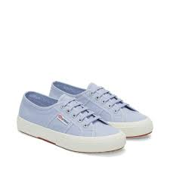 2750-COTU CLASSIC | SNEAKER | AKD | Violet Lt-F Avorio | 35 | 64041100 | 8058127764178 | S000010 | 1 | € 28.92 | 65.00 € | Viet Nam
2750-COTU CLASSIC | SNEAKER | AKD | Violet Lt-F Avorio | 36 | 64041100 | 8058127764215 | S000010 | 3 | € 28.92 | 65.00 € | Viet Nam
2750-COTU CLASSIC | SNEAKER | AKD | Violet Lt-F Avorio | 37 | 64041100 | 8054936174696 | S000010 | 5 | € 28.92 | 65.00 € | Viet Nam
2750-COTU CLASSIC | SNEAKER | AKD | Violet Lt-F Avorio | 37,5 | 64041100 | 8058127764222 | S000010 | 1 | € 28.92 | 65.00 € | Viet Nam
2750-COTU CLASSIC | SNEAKER | AKD | Violet Lt-F Avorio | 38 | 64041100 | 8058127764239 | S000010 | 6 | € 28.92 | 65.00 € | Viet Nam
2750-COTU CLASSIC | SNEAKER | AKD | Violet Lt-F Avorio | 39 | 64041100 | 8058127764246 | S000010 | 6 | € 28.92 | 65.00 € | Viet Nam
2750-COTU CLASSIC | SNEAKER | AKD | Violet Lt-F Avorio | 39,5 | 64041100 | 8058127764253 | S000010 | 1 | € 28.92 | 65.00 € | Viet Nam
2750-COTU CLASSIC | SNEAKER | AKD | Violet Lt-F Avorio | 40 | 64041100 | 8058127764260 | S000010 | 4 | € 28.92 | 65.00 € | Viet Nam
2750-COTU CLASSIC | SNEAKER | AKD | Violet Lt-F Avorio | 41 | 64041100 | 8058127764277 | S000010 | 2 | € 28.92 | 65.00 € | Viet Nam
2750-COTU CLASSIC | SNEAKER | AKD | Violet Lt-F Avorio | 42 | 64041100 | 8058127764291 | S000010 | 1 | € 28.92 | 65.00 € | Viet Nam
 |  |  |  |  |  |  |  | 30
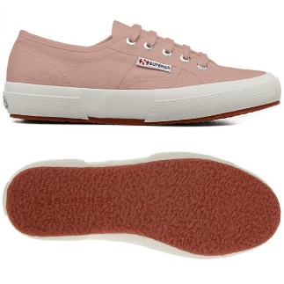 2750-COTU CLASSIC | SNEAKER | AKG | Pink Blush-F Avorio | 35 | 64041100 | 8058127764741 | S000010 | 1 | € 28.92 | 65.00 € | Viet Nam
2750-COTU CLASSIC | SNEAKER | AKG | Pink Blush-F Avorio | 36 | 64041100 | 8058127765052 | S000010 | 3 | € 28.92 | 65.00 € | Viet Nam
2750-COTU CLASSIC | SNEAKER | AKG | Pink Blush-F Avorio | 37 | 64041100 | 8054936174719 | S000010 | 5 | € 28.92 | 65.00 € | Viet Nam
2750-COTU CLASSIC | SNEAKER | AKG | Pink Blush-F Avorio | 37,5 | 64041100 | 8058127765069 | S000010 | 1 | € 28.92 | 65.00 € | Viet Nam
2750-COTU CLASSIC | SNEAKER | AKG | Pink Blush-F Avorio | 38 | 64041100 | 8058127765076 | S000010 | 6 | € 28.92 | 65.00 € | Viet Nam
2750-COTU CLASSIC | SNEAKER | AKG | Pink Blush-F Avorio | 39 | 64041100 | 8058127765083 | S000010 | 6 | € 28.92 | 65.00 € | Viet Nam
2750-COTU CLASSIC | SNEAKER | AKG | Pink Blush-F Avorio | 39,5 | 64041100 | 8058127765090 | S000010 | 1 | € 28.92 | 65.00 € | Viet Nam
2750-COTU CLASSIC | SNEAKER | AKG | Pink Blush-F Avorio | 40 | 64041100 | 8058127765106 | S000010 | 4 | € 28.92 | 65.00 € | Viet Nam
2750-COTU CLASSIC | SNEAKER | AKG | Pink Blush-F Avorio | 41 | 64041100 | 8058127765137 | S000010 | 2 | € 28.92 | 65.00 € | Viet Nam
2750-COTU CLASSIC | SNEAKER | AKG | Pink Blush-F Avorio | 42 | 64041100 | 8058127765151 | S000010 | 1 | € 28.92 | 65.00 € | Viet Nam
 |  |  |  |  |  |  |  | 30
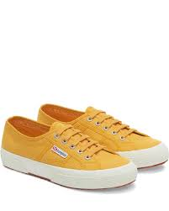 2750-COTU CLASSIC | SNEAKER | ANI | Yellow Lt-FAvorio | 35 | 64041100 | 8058188812528 | S000010 | 1 | € 28.92 | 65.00 € | Viet Nam
2750-COTU CLASSIC | SNEAKER | ANI | Yellow Lt-FAvorio | 36 | 64041100 | 8058188812542 | S000010 | 3 | € 28.92 | 65.00 € | Viet Nam
2750-COTU CLASSIC | SNEAKER | ANI | Yellow Lt-FAvorio | 37 | 64041100 | 8058155791856 | S000010 | 5 | € 28.92 | 65.00 € | Viet Nam
2750-COTU CLASSIC | SNEAKER | ANI | Yellow Lt-FAvorio | 37,5 | 64041100 | 8058188812559 | S000010 | 1 | € 28.92 | 65.00 € | Viet Nam
2750-COTU CLASSIC | SNEAKER | ANI | Yellow Lt-FAvorio | 38 | 64041100 | 8058188812566 | S000010 | 6 | € 28.92 | 65.00 € | Viet Nam
2750-COTU CLASSIC | SNEAKER | ANI | Yellow Lt-FAvorio | 39 | 64041100 | 8058188812573 | S000010 | 6 | € 28.92 | 65.00 € | Viet Nam
2750-COTU CLASSIC | SNEAKER | ANI | Yellow Lt-FAvorio | 39,5 | 64041100 | 8058188812580 | S000010 | 1 | € 28.92 | 65.00 € | Viet Nam
2750-COTU CLASSIC | SNEAKER | ANI | Yellow Lt-FAvorio | 40 | 64041100 | 8058188812597 | S000010 | 4 | € 28.92 | 65.00 € | Viet Nam
2750-COTU CLASSIC | SNEAKER | ANI | Yellow Lt-FAvorio | 41 | 64041100 | 8058188812603 | S000010 | 2 | € 28.92 | 65.00 € | Viet Nam
2750-COTU CLASSIC | SNEAKER | ANI | Yellow Lt-FAvorio | 42 | 64041100 | 8058182630487 | S000010 | 1 | € 28.92 | 65.00 € | Viet Nam
 |  |  |  |  |  |  |  | 30
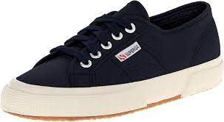 2750-COTU CLASSIC | SNEAKER | AO8 | Navy-FAvorio | 35 | 64041100 | 8058188815321 | S000010 | 1 | € 28.92 | 65.00 € | Viet Nam
2750-COTU CLASSIC | SNEAKER | AO8 | Navy-FAvorio | 36 | 64041100 | 8058188815345 | S000010 | 4 | € 28.92 | 65.00 € | Viet Nam
2750-COTU CLASSIC | SNEAKER | AO8 | Navy-FAvorio | 37 | 64041100 | 8058182157892 | S000010 | 6 | € 28.92 | 65.00 € | Viet Nam
2750-COTU CLASSIC | SNEAKER | AO8 | Navy-FAvorio | 37,5 | 64041100 | 8058188815352 | S000010 | 2 | € 28.92 | 65.00 € | Viet Nam
2750-COTU CLASSIC | SNEAKER | AO8 | Navy-FAvorio | 38 | 64041100 | 8058188815369 | S000010 | 9 | € 28.92 | 65.00 € | Viet Nam
2750-COTU CLASSIC | SNEAKER | AO8 | Navy-FAvorio | 39 | 64041100 | 8058188815376 | S000010 | 8 | € 28.92 | 65.00 € | Viet Nam
2750-COTU CLASSIC | SNEAKER | AO8 | Navy-FAvorio | 39,5 | 64041100 | 8058188815383 | S000010 | 1 | € 28.92 | 65.00 € | Viet Nam
2750-COTU CLASSIC | SNEAKER | AO8 | Navy-FAvorio | 40 | 64041100 | 8058188815390 | S000010 | 5 | € 28.92 | 65.00 € | Viet Nam
2750-COTU CLASSIC | SNEAKER | AO8 | Navy-FAvorio | 41 | 64041100 | 8058188815406 | S000010 | 3 | € 28.92 | 65.00 € | Viet Nam
2750-COTU CLASSIC | SNEAKER | AO8 | Navy-FAvorio | 42 | 64041100 | 8058182630593 | S000010 | 1 | € 28.92 | 65.00 € | Viet Nam
 |  |  |  |  |  |  |  | 40
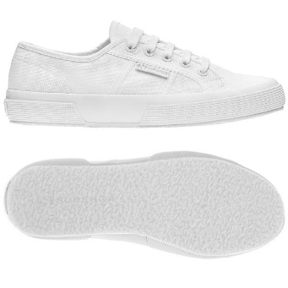 2750-COTU CLASSIC | SNEAKER | C42 | Total White | 35 | 64041100 | 8034019369966 | S000010 | 1 | € 28.92 | 65.00 € | Viet Nam
2750-COTU CLASSIC | SNEAKER | C42 | Total White | 36 | 64041100 | 8034019369973 | S000010 | 4 | € 28.92 | 65.00 € | Viet Nam
2750-COTU CLASSIC | SNEAKER | C42 | Total White | 37 | 64041100 | 8034019369980 | S000010 | 6 | € 28.92 | 65.00 € | Viet Nam
2750-COTU CLASSIC | SNEAKER | C42 | Total White | 37,5 | 64041100 | 8059075691677 | S000010 | 2 | € 28.92 | 65.00 € | Viet Nam
2750-COTU CLASSIC | SNEAKER | C42 | Total White | 38 | 64041100 | 8034019369997 | S000010 | 9 | € 28.92 | 65.00 € | Viet Nam
2750-COTU CLASSIC | SNEAKER | C42 | Total White | 39 | 64041100 | 8034019370009 | S000010 | 8 | € 28.92 | 65.00 € | Viet Nam
2750-COTU CLASSIC | SNEAKER | C42 | Total White | 39,5 | 64041100 | 8059075691684 | S000010 | 1 | € 28.92 | 65.00 € | Viet Nam
2750-COTU CLASSIC | SNEAKER | C42 | Total White | 40 | 64041100 | 8034019370016 | S000010 | 5 | € 28.92 | 65.00 € | Viet Nam
2750-COTU CLASSIC | SNEAKER | C42 | Total White | 41 | 64041100 | 8034019370023 | S000010 | 3 | € 28.92 | 65.00 € | Viet Nam
2750-COTU CLASSIC | SNEAKER | C42 | Total White | 42 | 64041100 | 8034019370030 | S000010 | 1 | € 28.92 | 65.00 € | Viet Nam
 |  |  |  |  |  |  |  | 40
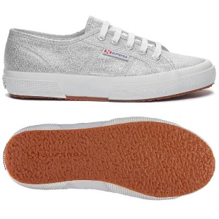 2750-LAMEW | SNEAKER | 031 | Grey Silver | 35 | 64041990 | 8033038713057 | S001820 | 1 | € 33.38 | 75.00 € | Viet Nam
2750-LAMEW | SNEAKER | 031 | Grey Silver | 36 | 64041990 | 8033038713064 | S001820 | 3 | € 33.38 | 75.00 € | Viet Nam
2750-LAMEW | SNEAKER | 031 | Grey Silver | 37 | 64041990 | 8033038713071 | S001820 | 5 | € 33.38 | 75.00 € | Viet Nam
2750-LAMEW | SNEAKER | 031 | Grey Silver | 37,5 | 64041990 | 8059075689773 | S001820 | 1 | € 33.38 | 75.00 € | Viet Nam
2750-LAMEW | SNEAKER | 031 | Grey Silver | 38 | 64041990 | 8033038713088 | S001820 | 6 | € 33.38 | 75.00 € | Viet Nam
2750-LAMEW | SNEAKER | 031 | Grey Silver | 39 | 64041990 | 8033038713095 | S001820 | 6 | € 33.38 | 75.00 € | Viet Nam
2750-LAMEW | SNEAKER | 031 | Grey Silver | 39,5 | 64041990 | 8059075689780 | S001820 | 1 | € 33.38 | 75.00 € | Viet Nam
2750-LAMEW | SNEAKER | 031 | Grey Silver | 40 | 64041990 | 8033038713101 | S001820 | 4 | € 33.38 | 75.00 € | Viet Nam
2750-LAMEW | SNEAKER | 031 | Grey Silver | 41 | 64041990 | 8033038713118 | S001820 | 2 | € 33.38 | 75.00 € | Viet Nam
2750-LAMEW | SNEAKER | 031 | Grey Silver | 42 | 64041990 | 8033038713125 | S001820 | 1 | € 33.38 | 75.00 € | Viet Nam
 |  |  |  |  |  |  |  | 30
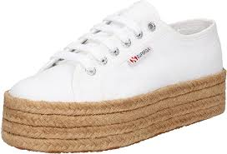 2730 ROPE | WEDGE | 901 | White | 35 | 64041990 | 8054700019611 | S00CF20 | 2 | € 35.50 | 79.00 € | Viet Nam
2730 ROPE | WEDGE | 901 | White | 36 | 64041990 | 8054700019635 | S00CF20 | 7 | € 35.50 | 79.00 € | Viet Nam
2730 ROPE | WEDGE | 901 | White | 37 | 64041990 | 8054700019642 | S00CF20 | 9 | € 35.50 | 79.00 € | Viet Nam
2730 ROPE | WEDGE | 901 | White | 37,5 | 64041990 | 8054700019659 | S00CF20 | 2 | € 35.50 | 79.00 € | Viet Nam
2730 ROPE | WEDGE | 901 | White | 38 | 64041990 | 8054700019666 | S00CF20 | 9 | € 35.50 | 79.00 € | Viet Nam
2730 ROPE | WEDGE | 901 | White | 39 | 64041990 | 8054700019673 | S00CF20 | 8 | € 35.50 | 79.00 € | Viet Nam
2730 ROPE | WEDGE | 901 | White | 39,5 | 64041990 | 8054700019680 | S00CF20 | 2 | € 35.50 | 79.00 € | Viet Nam
2730 ROPE | WEDGE | 901 | White | 40 | 64041990 | 8054700019697 | S00CF20 | 6 | € 35.50 | 79.00 € | Viet Nam
2730 ROPE | WEDGE | 901 | White | 41 | 64041990 | 8054700019703 | S00CF20 | 3 | € 35.50 | 79.00 € | Viet Nam
2730 ROPE | WEDGE | 901 | White | 42 | 64041990 | 8054700019727 | S00CF20 | 2 | € 35.50 | 79.00 € | Viet Nam
 |  |  |  |  |  |  |  | 50
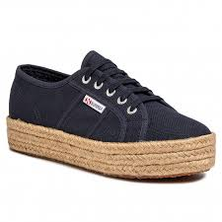 2730 ROPE | WEDGE | 999 | Black | 35 | 64041990 | 8054700020259 | S00CF20 | 1 | € 35.50 | 79.00 € | Viet Nam
2730 ROPE | WEDGE | 999 | Black | 36 | 64041990 | 8054700020273 | S00CF20 | 4 | € 35.50 | 79.00 € | Viet Nam
2730 ROPE | WEDGE | 999 | Black | 37 | 64041990 | 8054700020280 | S00CF20 | 6 | € 35.50 | 79.00 € | Viet Nam
2730 ROPE | WEDGE | 999 | Black | 37,5 | 64041990 | 8054700020297 | S00CF20 | 1 | € 35.50 | 79.00 € | Viet Nam
2730 ROPE | WEDGE | 999 | Black | 38 | 64041990 | 8054700020303 | S00CF20 | 6 | € 35.50 | 79.00 € | Viet Nam
2730 ROPE | WEDGE | 999 | Black | 39 | 64041990 | 8054700020310 | S00CF20 | 5 | € 35.50 | 79.00 € | Viet Nam
2730 ROPE | WEDGE | 999 | Black | 39,5 | 64041990 | 8054700020327 | S00CF20 | 1 | € 35.50 | 79.00 € | Viet Nam
2730 ROPE | WEDGE | 999 | Black | 40 | 64041990 | 8054700020334 | S00CF20 | 3 | € 35.50 | 79.00 € | Viet Nam
2730 ROPE | WEDGE | 999 | Black | 41 | 64041990 | 8054700020341 | S00CF20 | 2 | € 35.50 | 79.00 € | Viet Nam
2730 ROPE | WEDGE | 999 | Black | 42 | 64041990 | 8054700020365 | S00CF20 | 1 | € 35.50 | 79.00 € | Viet Nam
 |  |  |  |  |  |  |  | 30
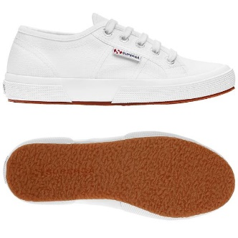 2750 NEW PLUS | SNEAKER | 901 | White | 35 | 64041990 | 8058188889957 | S2126KW | 3 | € 30.71 | 69.00 €
2750 NEW PLUS | SNEAKER | 901 | White | 36 | 64041990 | 8058188889971 | S2126KW | 9 | € 30.71 | 69.00 €
2750 NEW PLUS | SNEAKER | 901 | White | 37 | 64041990 | 8058188889988 | S2126KW | 16 | € 30.71 | 69.00 €
2750 NEW PLUS | SNEAKER | 901 | White | 37,5 | 64041990 | 8058188890014 | S2126KW | 4 | € 30.71 | 69.00 €
2750 NEW PLUS | SNEAKER | 901 | White | 38 | 64041990 | 8058188890021 | S2126KW | 23 | € 30.71 | 69.00 €
2750 NEW PLUS | SNEAKER | 901 | White | 39 | 64041990 | 8058188890212 | S2126KW | 20 | € 30.71 | 69.00 €
2750 NEW PLUS | SNEAKER | 901 | White | 39,5 | 64041990 | 8058188890229 | S2126KW | 3 | € 30.71 | 69.00 €
2750 NEW PLUS | SNEAKER | 901 | White | 40 | 64041990 | 8058188890236 | S2126KW | 12 | € 30.71 | 69.00 €
2750 NEW PLUS | SNEAKER | 901 | White | 41 | 64041990 | 8058188890243 | S2126KW | 7 | € 30.71 | 69.00 €
2750 NEW PLUS | SNEAKER | 901 | White | 42 | 64041990 | 8058188890281 | S2126KW | 3 | € 30.71 | 69.00 €
 |  |  |  |  |  |  |  | 100
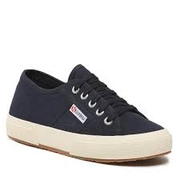 2750 NEW PLUS | SNEAKER | 933 | Blue Navy | 35 | 64041990 | 8059075379384 | S2126KW | 1 | € 30.71 | 69.00 €
2750 NEW PLUS | SNEAKER | 933 | Blue Navy | 36 | 64041990 | 8059075379407 | S2126KW | 3 | € 30.71 | 69.00 €
2750 NEW PLUS | SNEAKER | 933 | Blue Navy | 37 | 64041990 | 8059075379414 | S2126KW | 5 | € 30.71 | 69.00 €
2750 NEW PLUS | SNEAKER | 933 | Blue Navy | 37,5 | 64041990 | 8059075379421 | S2126KW | 1 | € 30.71 | 69.00 €
2750 NEW PLUS | SNEAKER | 933 | Blue Navy | 38 | 64041990 | 8059075379438 | S2126KW | 6 | € 30.71 | 69.00 €
2750 NEW PLUS | SNEAKER | 933 | Blue Navy | 39 | 64041990 | 8059075379445 | S2126KW | 6 | € 30.71 | 69.00 €
2750 NEW PLUS | SNEAKER | 933 | Blue Navy | 39,5 | 64041990 | 8059075379452 | S2126KW | 1 | € 30.71 | 69.00 €
2750 NEW PLUS | SNEAKER | 933 | Blue Navy | 40 | 64041990 | 8059075379469 | S2126KW | 4 | € 30.71 | 69.00 €
2750 NEW PLUS | SNEAKER | 933 | Blue Navy | 41 | 64041990 | 8059075379476 | S2126KW | 2 | € 30.71 | 69.00 €
2750 NEW PLUS | SNEAKER | 933 | Blue Navy | 42 | 64041990 | 8059075379513 | S2126KW | 1 | € 30.71 | 69.00 €
 |  |  |  |  |  |  |  | 30
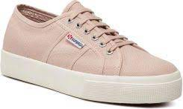 2750 NEW PLUS | SNEAKER | AKG | Pink Blush-F Avorio | 35 | 64041990 | 8058188890373 | S2126KW | 3 | € 30.71 | 69.00 €
2750 NEW PLUS | SNEAKER | AKG | Pink Blush-F Avorio | 36 | 64041990 | 8058188890397 | S2126KW | 9 | € 30.71 | 69.00 €
2750 NEW PLUS | SNEAKER | AKG | Pink Blush-F Avorio | 37 | 64041990 | 8058182616726 | S2126KW | 16 | € 30.71 | 69.00 €
2750 NEW PLUS | SNEAKER | AKG | Pink Blush-F Avorio | 37,5 | 64041990 | 8058188890403 | S2126KW | 4 | € 30.71 | 69.00 €
2750 NEW PLUS | SNEAKER | AKG | Pink Blush-F Avorio | 38 | 64041990 | 8058188890410 | S2126KW | 23 | € 30.71 | 69.00 €
2750 NEW PLUS | SNEAKER | AKG | Pink Blush-F Avorio | 39 | 64041990 | 8058188890427 | S2126KW | 20 | € 30.71 | 69.00 €
2750 NEW PLUS | SNEAKER | AKG | Pink Blush-F Avorio | 39,5 | 64041990 | 8058188890434 | S2126KW | 3 | € 30.71 | 69.00 €
2750 NEW PLUS | SNEAKER | AKG | Pink Blush-F Avorio | 40 | 64041990 | 8058188890465 | S2126KW | 12 | € 30.71 | 69.00 €
2750 NEW PLUS | SNEAKER | AKG | Pink Blush-F Avorio | 41 | 64041990 | 8058188890472 | S2126KW | 7 | € 30.71 | 69.00 €
2750 NEW PLUS | SNEAKER | AKG | Pink Blush-F Avorio | 42 | 64041990 | 8058188890496 | S2126KW | 3 | € 30.71 | 69.00 €
 |  |  |  |  |  |  |  | 100
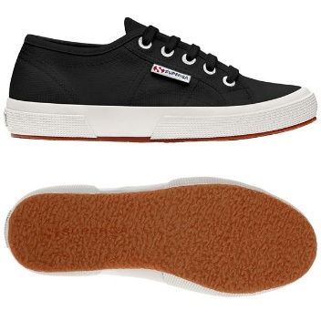 2750 NEW PLUS | SNEAKER | F83 | Black-FWhite - Black | 35 | 64041990 | 8058188891202 | S2126KW | 2 | € 30.71 | 69.00 €
2750 NEW PLUS | SNEAKER | F83 | Black-FWhite - Black | 36 | 64041990 | 8058188891226 | S2126KW | 5 | € 30.71 | 69.00 €
2750 NEW PLUS | SNEAKER | F83 | Black-FWhite - Black | 37 | 64041990 | 8058182616757 | S2126KW | 8 | € 30.71 | 69.00 €
2750 NEW PLUS | SNEAKER | F83 | Black-FWhite - Black | 37,5 | 64041990 | 8058188891233 | S2126KW | 2 | € 30.71 | 69.00 €
2750 NEW PLUS | SNEAKER | F83 | Black-FWhite - Black | 38 | 64041990 | 8058188891240 | S2126KW | 11 | € 30.71 | 69.00 €
2750 NEW PLUS | SNEAKER | F83 | Black-FWhite - Black | 39 | 64041990 | 8058188891271 | S2126KW | 9 | € 30.71 | 69.00 €
2750 NEW PLUS | SNEAKER | F83 | Black-FWhite - Black | 39,5 | 64041990 | 8058188891288 | S2126KW | 2 | € 30.71 | 69.00 €
2750 NEW PLUS | SNEAKER | F83 | Black-FWhite - Black | 40 | 64041990 | 8058188891295 | S2126KW | 6 | € 30.71 | 69.00 €
2750 NEW PLUS | SNEAKER | F83 | Black-FWhite - Black | 41 | 64041990 | 8058188891301 | S2126KW | 3 | € 30.71 | 69.00 €
2750 NEW PLUS | SNEAKER | F83 | Black-FWhite - Black | 42 | 64041990 | 8058188891325 | S2126KW | 2 | € 30.71 | 69.00 €
 |  |  |  |  |  |  |  | 50
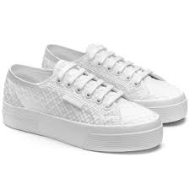 2740 PLATFORM MACRAME RHOMBUS | WEDGE | A0A | Total White | 35 | 64041990 | 8059075010959 | S2126MW | 1 | € 38.30 | 85.00 €
2740 PLATFORM MACRAME RHOMBUS | WEDGE | A0A | Total White | 36 | 64041990 | 8059075010973 | S2126MW | 3 | € 38.30 | 85.00 €
2740 PLATFORM MACRAME RHOMBUS | WEDGE | A0A | Total White | 37 | 64041990 | 8058182619765 | S2126MW | 5 | € 38.30 | 85.00 €
2740 PLATFORM MACRAME RHOMBUS | WEDGE | A0A | Total White | 37,5 | 64041990 | 8059075010980 | S2126MW | 1 | € 38.30 | 85.00 €
2740 PLATFORM MACRAME RHOMBUS | WEDGE | A0A | Total White | 38 | 64041990 | 8059075011017 | S2126MW | 6 | € 38.30 | 85.00 €
2740 PLATFORM MACRAME RHOMBUS | WEDGE | A0A | Total White | 39 | 64041990 | 8059075011024 | S2126MW | 6 | € 38.30 | 85.00 €
2740 PLATFORM MACRAME RHOMBUS | WEDGE | A0A | Total White | 39,5 | 64041990 | 8059075011031 | S2126MW | 1 | € 38.30 | 85.00 €
2740 PLATFORM MACRAME RHOMBUS | WEDGE | A0A | Total White | 40 | 64041990 | 8059075011048 | S2126MW | 4 | € 38.30 | 85.00 €
2740 PLATFORM MACRAME RHOMBUS | WEDGE | A0A | Total White | 41 | 64041990 | 8059075011055 | S2126MW | 2 | € 38.30 | 85.00 €
2740 PLATFORM MACRAME RHOMBUS | WEDGE | A0A | Total White | 42 | 64041990 | 8059075011079 | S2126MW | 1 | € 38.30 | 85.00 €
 |  |  |  |  |  |  |  | 30
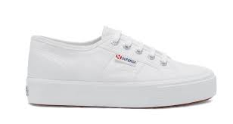 2730 MID PLATFORM | SNEAKER | 901 | White | 35 | 64041990 | 8058155625014 | S2127IW | 3 | € 30.71 | 69.00 €
2730 MID PLATFORM | SNEAKER | 901 | White | 36 | 64041990 | 8058155625106 | S2127IW | 9 | € 30.71 | 69.00 €
2730 MID PLATFORM | SNEAKER | 901 | White | 37 | 64041990 | 8058155625113 | S2127IW | 16 | € 30.71 | 69.00 €
2730 MID PLATFORM | SNEAKER | 901 | White | 37,5 | 64041990 | 8058155625120 | S2127IW | 4 | € 30.71 | 69.00 €
2730 MID PLATFORM | SNEAKER | 901 | White | 38 | 64041990 | 8058155625137 | S2127IW | 23 | € 30.71 | 69.00 €
2730 MID PLATFORM | SNEAKER | 901 | White | 39 | 64041990 | 8058155625144 | S2127IW | 20 | € 30.71 | 69.00 €
2730 MID PLATFORM | SNEAKER | 901 | White | 39,5 | 64041990 | 8058155625151 | S2127IW | 3 | € 30.71 | 69.00 €
2730 MID PLATFORM | SNEAKER | 901 | White | 40 | 64041990 | 8058155625168 | S2127IW | 12 | € 30.71 | 69.00 €
2730 MID PLATFORM | SNEAKER | 901 | White | 41 | 64041990 | 8058155625175 | S2127IW | 7 | € 30.71 | 69.00 €
2730 MID PLATFORM | SNEAKER | 901 | White | 42 | 64041990 | 8058155625199 | S2127IW | 3 | € 30.71 | 69.00 €
 |  |  |  |  |  |  |  | 100
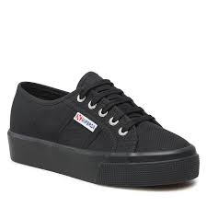 2730 MID PLATFORM | SNEAKER | 996 | Full Black | 35 | 64041990 | 8058155625267 | S2127IW | 3 | € 30.71 | 69.00 €
2730 MID PLATFORM | SNEAKER | 996 | Full Black | 36 | 64041990 | 8058155625281 | S2127IW | 9 | € 30.71 | 69.00 €
2730 MID PLATFORM | SNEAKER | 996 | Full Black | 37 | 64041990 | 8058155625298 | S2127IW | 16 | € 30.71 | 69.00 €
2730 MID PLATFORM | SNEAKER | 996 | Full Black | 37,5 | 64041990 | 8058155625304 | S2127IW | 4 | € 30.71 | 69.00 €
2730 MID PLATFORM | SNEAKER | 996 | Full Black | 38 | 64041990 | 8058155625311 | S2127IW | 23 | € 30.71 | 69.00 €
2730 MID PLATFORM | SNEAKER | 996 | Full Black | 39 | 64041990 | 8058155625328 | S2127IW | 20 | € 30.71 | 69.00 €
2730 MID PLATFORM | SNEAKER | 996 | Full Black | 39,5 | 64041990 | 8058155625335 | S2127IW | 3 | € 30.71 | 69.00 €
2730 MID PLATFORM | SNEAKER | 996 | Full Black | 40 | 64041990 | 8058155625342 | S2127IW | 12 | € 30.71 | 69.00 €
2730 MID PLATFORM | SNEAKER | 996 | Full Black | 41 | 64041990 | 8058155625359 | S2127IW | 7 | € 30.71 | 69.00 €
2730 MID PLATFORM | SNEAKER | 996 | Full Black | 42 | 64041990 | 8058155625441 | S2127IW | 3 | € 30.71 | 69.00 €
 |  |  |  |  |  |  |  | 100
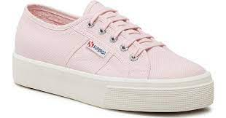 2730 MID PLATFORM | SNEAKER | AKH | Pink Ish-F Avorio | 35 | 64041990 | 8058155626318 | S2127IW | 1 | € 30.71 | 69.00 €
2730 MID PLATFORM | SNEAKER | AKH | Pink Ish-F Avorio | 36 | 64041990 | 8058155626349 | S2127IW | 3 | € 30.71 | 69.00 €
2730 MID PLATFORM | SNEAKER | AKH | Pink Ish-F Avorio | 37 | 64041990 | 8058127567830 | S2127IW | 5 | € 30.71 | 69.00 €
2730 MID PLATFORM | SNEAKER | AKH | Pink Ish-F Avorio | 37,5 | 64041990 | 8058155626356 | S2127IW | 1 | € 30.71 | 69.00 €
2730 MID PLATFORM | SNEAKER | AKH | Pink Ish-F Avorio | 38 | 64041990 | 8058155626363 | S2127IW | 6 | € 30.71 | 69.00 €
2730 MID PLATFORM | SNEAKER | AKH | Pink Ish-F Avorio | 39 | 64041990 | 8058155626431 | S2127IW | 6 | € 30.71 | 69.00 €
2730 MID PLATFORM | SNEAKER | AKH | Pink Ish-F Avorio | 39,5 | 64041990 | 8058155626448 | S2127IW | 1 | € 30.71 | 69.00 €
2730 MID PLATFORM | SNEAKER | AKH | Pink Ish-F Avorio | 40 | 64041990 | 8058155626509 | S2127IW | 4 | € 30.71 | 69.00 €
2730 MID PLATFORM | SNEAKER | AKH | Pink Ish-F Avorio | 41 | 64041990 | 8058155626516 | S2127IW | 2 | € 30.71 | 69.00 €
2730 MID PLATFORM | SNEAKER | AKH | Pink Ish-F Avorio | 42 | 64041990 | 8058155626769 | S2127IW | 1 | € 30.71 | 69.00 €
 |  |  |  |  |  |  |  | 30
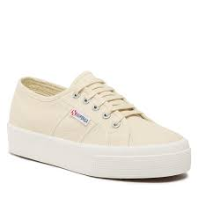 2730 MID PLATFORM | SNEAKER | AKJ | Beige Lt Eggshell-F | 35 | 64041990 | 8058155626967 | S2127IW | 1 | € 30.71 | 69.00 €
2730 MID PLATFORM | SNEAKER | AKJ | Beige Lt Eggshell-F | 36 | 64041990 | 8058155626981 | S2127IW | 3 | € 30.71 | 69.00 €
2730 MID PLATFORM | SNEAKER | AKJ | Beige Lt Eggshell-F | 37 | 64041990 | 8058127567847 | S2127IW | 5 | € 30.71 | 69.00 €
2730 MID PLATFORM | SNEAKER | AKJ | Beige Lt Eggshell-F | 37,5 | 64041990 | 8058155626998 | S2127IW | 1 | € 30.71 | 69.00 €
2730 MID PLATFORM | SNEAKER | AKJ | Beige Lt Eggshell-F | 38 | 64041990 | 8058155627001 | S2127IW | 6 | € 30.71 | 69.00 €
2730 MID PLATFORM | SNEAKER | AKJ | Beige Lt Eggshell-F | 39 | 64041990 | 8058155627018 | S2127IW | 6 | € 30.71 | 69.00 €
2730 MID PLATFORM | SNEAKER | AKJ | Beige Lt Eggshell-F | 39,5 | 64041990 | 8058155627025 | S2127IW | 1 | € 30.71 | 69.00 €
2730 MID PLATFORM | SNEAKER | AKJ | Beige Lt Eggshell-F | 40 | 64041990 | 8058155627032 | S2127IW | 4 | € 30.71 | 69.00 €
2730 MID PLATFORM | SNEAKER | AKJ | Beige Lt Eggshell-F | 41 | 64041990 | 8058155627049 | S2127IW | 2 | € 30.71 | 69.00 €
2730 MID PLATFORM | SNEAKER | AKJ | Beige Lt Eggshell-F | 42 | 64041990 | 8058155627063 | S2127IW | 1 | € 30.71 | 69.00 €
 |  |  |  |  |  |  |  | 30
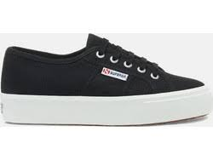 2730 MID PLATFORM | SNEAKER | F83 | Black-FWhite | 35 | 64041990 | 8058155627933 | S2127IW | 3 | € 30.71 | 69.00 €
2730 MID PLATFORM | SNEAKER | F83 | Black-FWhite | 36 | 64041990 | 8058155627957 | S2127IW | 9 | € 30.71 | 69.00 €
2730 MID PLATFORM | SNEAKER | F83 | Black-FWhite | 37 | 64041990 | 8058155627964 | S2127IW | 16 | € 30.71 | 69.00 €
2730 MID PLATFORM | SNEAKER | F83 | Black-FWhite | 37,5 | 64041990 | 8058155627971 | S2127IW | 4 | € 30.71 | 69.00 €
2730 MID PLATFORM | SNEAKER | F83 | Black-FWhite | 38 | 64041990 | 8058155627988 | S2127IW | 23 | € 30.71 | 69.00 €
2730 MID PLATFORM | SNEAKER | F83 | Black-FWhite | 39 | 64041990 | 8058155627995 | S2127IW | 20 | € 30.71 | 69.00 €
2730 MID PLATFORM | SNEAKER | F83 | Black-FWhite | 39,5 | 64041990 | 8058155628008 | S2127IW | 3 | € 30.71 | 69.00 €
2730 MID PLATFORM | SNEAKER | F83 | Black-FWhite | 40 | 64041990 | 8058155628015 | S2127IW | 12 | € 30.71 | 69.00 €
2730 MID PLATFORM | SNEAKER | F83 | Black-FWhite | 41 | 64041990 | 8058155628022 | S2127IW | 7 | € 30.71 | 69.00 €
2730 MID PLATFORM | SNEAKER | F83 | Black-FWhite | 42 | 64041990 | 8058155628046 | S2127IW | 3 | € 30.71 | 69.00 €
 |  |  |  |  |  |  |  | 100
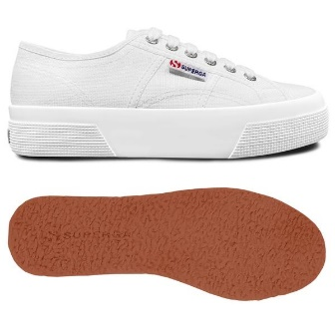 2740 PLATFORM | WEDGE | 901 | White | 35 | 64041990 | 8058188891417 | S21384W | 3 | € 33.38 | 75.00 €
2740 PLATFORM | WEDGE | 901 | White | 36 | 64041990 | 8058188891455 | S21384W | 9 | € 33.38 | 75.00 €
2740 PLATFORM | WEDGE | 901 | White | 37 | 64041990 | 8058188891462 | S21384W | 16 | € 33.38 | 75.00 €
2740 PLATFORM | WEDGE | 901 | White | 37,5 | 64041990 | 8058188891479 | S21384W | 4 | € 33.38 | 75.00 €
2740 PLATFORM | WEDGE | 901 | White | 38 | 64041990 | 8058188891486 | S21384W | 23 | € 33.38 | 75.00 €
2740 PLATFORM | WEDGE | 901 | White | 39 | 64041990 | 8058188891493 | S21384W | 20 | € 33.38 | 75.00 €
2740 PLATFORM | WEDGE | 901 | White | 39,5 | 64041990 | 8058188891509 | S21384W | 3 | € 33.38 | 75.00 €
2740 PLATFORM | WEDGE | 901 | White | 40 | 64041990 | 8058188891516 | S21384W | 12 | € 33.38 | 75.00 €
2740 PLATFORM | WEDGE | 901 | White | 41 | 64041990 | 8058188891547 | S21384W | 7 | € 33.38 | 75.00 €
2740 PLATFORM | WEDGE | 901 | White | 42 | 64041990 | 8058188891561 | S21384W | 3 | € 33.38 | 75.00 €
 |  |  |  |  |  |  |  | 100
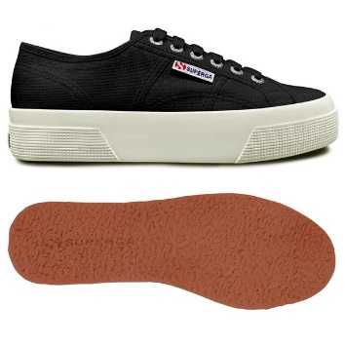 2740 PLATFORM | WEDGE | ADK | Black-F Avorio | 35 | 64041990 | 8058188891585 | S21384W | 1 | € 33.38 | 75.00 €
2740 PLATFORM | WEDGE | ADK | Black-F Avorio | 36 | 64041990 | 8058188891608 | S21384W | 4 | € 33.38 | 75.00 €
2740 PLATFORM | WEDGE | ADK | Black-F Avorio | 37 | 64041990 | 8058188891639 | S21384W | 6 | € 33.38 | 75.00 €
2740 PLATFORM | WEDGE | ADK | Black-F Avorio | 37,5 | 64041990 | 8058188891646 | S21384W | 2 | € 33.38 | 75.00 €
2740 PLATFORM | WEDGE | ADK | Black-F Avorio | 38 | 64041990 | 8058188891691 | S21384W | 9 | € 33.38 | 75.00 €
2740 PLATFORM | WEDGE | ADK | Black-F Avorio | 39 | 64041990 | 8058188891721 | S21384W | 8 | € 33.38 | 75.00 €
2740 PLATFORM | WEDGE | ADK | Black-F Avorio | 39,5 | 64041990 | 8058188891776 | S21384W | 1 | € 33.38 | 75.00 €
2740 PLATFORM | WEDGE | ADK | Black-F Avorio | 40 | 64041990 | 8058188891820 | S21384W | 5 | € 33.38 | 75.00 €
2740 PLATFORM | WEDGE | ADK | Black-F Avorio | 41 | 64041990 | 8058188891851 | S21384W | 3 | € 33.38 | 75.00 €
2740 PLATFORM | WEDGE | ADK | Black-F Avorio | 42 | 64041990 | 8058188891912 | S21384W | 1 | € 33.38 | 75.00 €
 |  |  |  |  |  |  |  | 40
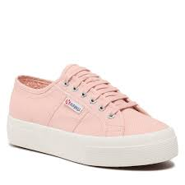 2740 PLATFORM | WEDGE | AKG | Pink Blush-F Avorio | 35 | 64041990 | 8058188891950 | S21384W | 1 | € 33.38 | 75.00 €
2740 PLATFORM | WEDGE | AKG | Pink Blush-F Avorio | 36 | 64041990 | 8058188892032 | S21384W | 3 | € 33.38 | 75.00 €
2740 PLATFORM | WEDGE | AKG | Pink Blush-F Avorio | 37 | 64041990 | 8058182616764 | S21384W | 5 | € 33.38 | 75.00 €
2740 PLATFORM | WEDGE | AKG | Pink Blush-F Avorio | 37,5 | 64041990 | 8058188892087 | S21384W | 1 | € 33.38 | 75.00 €
2740 PLATFORM | WEDGE | AKG | Pink Blush-F Avorio | 38 | 64041990 | 8058188892117 | S21384W | 6 | € 33.38 | 75.00 €
2740 PLATFORM | WEDGE | AKG | Pink Blush-F Avorio | 39 | 64041990 | 8058188892162 | S21384W | 6 | € 33.38 | 75.00 €
2740 PLATFORM | WEDGE | AKG | Pink Blush-F Avorio | 39,5 | 64041990 | 8058188892179 | S21384W | 1 | € 33.38 | 75.00 €
2740 PLATFORM | WEDGE | AKG | Pink Blush-F Avorio | 40 | 64041990 | 8058188892193 | S21384W | 4 | € 33.38 | 75.00 €
2740 PLATFORM | WEDGE | AKG | Pink Blush-F Avorio | 41 | 64041990 | 8058188892216 | S21384W | 2 | € 33.38 | 75.00 €
2740 PLATFORM | WEDGE | AKG | Pink Blush-F Avorio | 42 | 64041990 | 8058188892292 | S21384W | 1 | € 33.38 | 75.00 €
 |  |  |  |  |  |  |  | 30
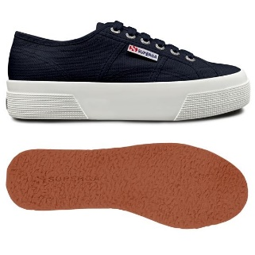 2740 PLATFORM | WEDGE | AO8 | Navy-FAvorio | 35 | 64041990 | 8058188893121 | S21384W | 1 | € 33.38 | 75.00 €
2740 PLATFORM | WEDGE | AO8 | Navy-FAvorio | 36 | 64041990 | 8058188893145 | S21384W | 3 | € 33.38 | 75.00 €
2740 PLATFORM | WEDGE | AO8 | Navy-FAvorio | 37 | 64041990 | 8058182616818 | S21384W | 5 | € 33.38 | 75.00 €
2740 PLATFORM | WEDGE | AO8 | Navy-FAvorio | 37,5 | 64041990 | 8058188893152 | S21384W | 1 | € 33.38 | 75.00 €
2740 PLATFORM | WEDGE | AO8 | Navy-FAvorio | 38 | 64041990 | 8058188893169 | S21384W | 6 | € 33.38 | 75.00 €
2740 PLATFORM | WEDGE | AO8 | Navy-FAvorio | 39 | 64041990 | 8058188893176 | S21384W | 6 | € 33.38 | 75.00 €
2740 PLATFORM | WEDGE | AO8 | Navy-FAvorio | 39,5 | 64041990 | 8058188893206 | S21384W | 1 | € 33.38 | 75.00 €
2740 PLATFORM | WEDGE | AO8 | Navy-FAvorio | 40 | 64041990 | 8058188893213 | S21384W | 4 | € 33.38 | 75.00 €
2740 PLATFORM | WEDGE | AO8 | Navy-FAvorio | 41 | 64041990 | 8058188893220 | S21384W | 2 | € 33.38 | 75.00 €
2740 PLATFORM | WEDGE | AO8 | Navy-FAvorio | 42 | 64041990 | 8058188893244 | S21384W | 1 | € 33.38 | 75.00 €
 |  |  |  |  |  |  |  | 30
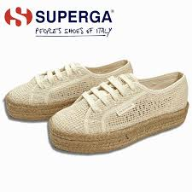 2730 ROPE ORGANIC MACRAME | WEDGE | A00 | Beige Raw | 35 | 64041990 | 8058347547971 | S31223W | 2 | € 38.30 | 85.00 € | Viet Nam
2730 ROPE ORGANIC MACRAME | WEDGE | A00 | Beige Raw | 36 | 64041990 | 8058347547995 | S31223W | 5 | € 38.30 | 85.00 € | Viet Nam
2730 ROPE ORGANIC MACRAME | WEDGE | A00 | Beige Raw | 37 | 64041990 | 8058182617334 | S31223W | 7 | € 38.30 | 85.00 € | Viet Nam
2730 ROPE ORGANIC MACRAME | WEDGE | A00 | Beige Raw | 37,5 | 64041990 | 8058347548008 | S31223W | 1 | € 38.30 | 85.00 € | Viet Nam
2730 ROPE ORGANIC MACRAME | WEDGE | A00 | Beige Raw | 38 | 64041990 | 8058347548015 | S31223W | 8 | € 38.30 | 85.00 € | Viet Nam
2730 ROPE ORGANIC MACRAME | WEDGE | A00 | Beige Raw | 39 | 64041990 | 8058347548022 | S31223W | 7 | € 38.30 | 85.00 € | Viet Nam
2730 ROPE ORGANIC MACRAME | WEDGE | A00 | Beige Raw | 39,5 | 64041990 | 8058347548039 | S31223W | 2 | € 38.30 | 85.00 € | Viet Nam
2730 ROPE ORGANIC MACRAME | WEDGE | A00 | Beige Raw | 40 | 64041990 | 8058347548046 | S31223W | 4 | € 38.30 | 85.00 € | Viet Nam
2730 ROPE ORGANIC MACRAME | WEDGE | A00 | Beige Raw | 41 | 64041990 | 8058347548053 | S31223W | 2 | € 38.30 | 85.00 € | Viet Nam
2730 ROPE ORGANIC MACRAME | WEDGE | A00 | Beige Raw | 42 | 64041990 | 8058347548077 | S31223W | 2 | € 38.30 | 85.00 € | Viet Nam
 |  |  |  |  |  |  |  | 40
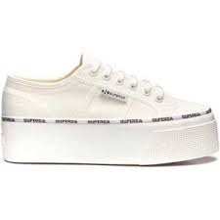 2790 LOGO PIPING | WEDGE | AOC | White Avorio-Black L | 35 | 64041990 | 8059075007669 | S3125LW | 1 | € 35.50 | 79.00 €
2790 LOGO PIPING | WEDGE | AOC | White Avorio-Black L | 36 | 64041990 | 8059075007683 | S3125LW | 3 | € 35.50 | 79.00 €
2790 LOGO PIPING | WEDGE | AOC | White Avorio-Black L | 37 | 64041990 | 8058182619086 | S3125LW | 5 | € 35.50 | 79.00 €
2790 LOGO PIPING | WEDGE | AOC | White Avorio-Black L | 37,5 | 64041990 | 8059075007690 | S3125LW | 1 | € 35.50 | 79.00 €
2790 LOGO PIPING | WEDGE | AOC | White Avorio-Black L | 38 | 64041990 | 8059075007706 | S3125LW | 6 | € 35.50 | 79.00 €
2790 LOGO PIPING | WEDGE | AOC | White Avorio-Black L | 39 | 64041990 | 8059075007713 | S3125LW | 6 | € 35.50 | 79.00 €
2790 LOGO PIPING | WEDGE | AOC | White Avorio-Black L | 39,5 | 64041990 | 8059075007720 | S3125LW | 1 | € 35.50 | 79.00 €
2790 LOGO PIPING | WEDGE | AOC | White Avorio-Black L | 40 | 64041990 | 8059075007737 | S3125LW | 4 | € 35.50 | 79.00 €
2790 LOGO PIPING | WEDGE | AOC | White Avorio-Black L | 41 | 64041990 | 8059075007768 | S3125LW | 2 | € 35.50 | 79.00 €
2790 LOGO PIPING | WEDGE | AOC | White Avorio-Black L | 42 | 64041990 | 8059075007782 | S3125LW | 1 | € 35.50 | 79.00 €
 |  |  |  |  |  |  |  | 30
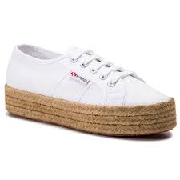 2790 ROPE MACRAME RHOMBUS | WEDGE | 900 | White | 35 | 64041990 | 8059075011093 | S3126PW | 1 | € 38.30 | 85.00 €
2790 ROPE MACRAME RHOMBUS | WEDGE | 900 | White | 36 | 64041990 | 8059075011116 | S3126PW | 4 | € 38.30 | 85.00 €
2790 ROPE MACRAME RHOMBUS | WEDGE | 900 | White | 37 | 64041990 | 8058182619772 | S3126PW | 6 | € 38.30 | 85.00 €
2790 ROPE MACRAME RHOMBUS | WEDGE | 900 | White | 37,5 | 64041990 | 8059075011147 | S3126PW | 1 | € 38.30 | 85.00 €
2790 ROPE MACRAME RHOMBUS | WEDGE | 900 | White | 38 | 64041990 | 8059075011154 | S3126PW | 6 | € 38.30 | 85.00 €
2790 ROPE MACRAME RHOMBUS | WEDGE | 900 | White | 39 | 64041990 | 8059075011161 | S3126PW | 5 | € 38.30 | 85.00 €
2790 ROPE MACRAME RHOMBUS | WEDGE | 900 | White | 39,5 | 64041990 | 8059075011178 | S3126PW | 1 | € 38.30 | 85.00 €
2790 ROPE MACRAME RHOMBUS | WEDGE | 900 | White | 40 | 64041990 | 8059075011185 | S3126PW | 3 | € 38.30 | 85.00 €
2790 ROPE MACRAME RHOMBUS | WEDGE | 900 | White | 41 | 64041990 | 8059075011192 | S3126PW | 2 | € 38.30 | 85.00 €
2790 ROPE MACRAME RHOMBUS | WEDGE | 900 | White | 42 | 64041990 | 8059075011215 | S3126PW | 1 | € 38.30 | 85.00 €
 |  |  |  |  |  |  |  | 30
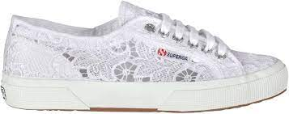 2750 MACRAME | SNEAKER | 900 | White | 35 | 64041990 | 8054936479777 | S81219W | 3 | € 35.50 | 79.00 € | Viet Nam
2750 MACRAME | SNEAKER | 900 | White | 36 | 64041990 | 8054936479791 | S81219W | 9 | € 35.50 | 79.00 € | Viet Nam
2750 MACRAME | SNEAKER | 900 | White | 37 | 64041990 | 8054936479807 | S81219W | 16 | € 35.50 | 79.00 € | Viet Nam
2750 MACRAME | SNEAKER | 900 | White | 37,5 | 64041990 | 8054936479814 | S81219W | 4 | € 35.50 | 79.00 € | Viet Nam
2750 MACRAME | SNEAKER | 900 | White | 38 | 64041990 | 8054936479821 | S81219W | 23 | € 35.50 | 79.00 € | Viet Nam
2750 MACRAME | SNEAKER | 900 | White | 39 | 64041990 | 8054936479838 | S81219W | 20 | € 35.50 | 79.00 € | Viet Nam
2750 MACRAME | SNEAKER | 900 | White | 39,5 | 64041990 | 8054936479845 | S81219W | 3 | € 35.50 | 79.00 € | Viet Nam
2750 MACRAME | SNEAKER | 900 | White | 40 | 64041990 | 8054936479852 | S81219W | 12 | € 35.50 | 79.00 € | Viet Nam
2750 MACRAME | SNEAKER | 900 | White | 41 | 64041990 | 8054936479883 | S81219W | 7 | € 35.50 | 79.00 € | Viet Nam
2750 MACRAME | SNEAKER | 900 | White | 42 | 64041990 | 8054936479906 | S81219W | 3 | € 35.50 | 79.00 € | Viet Nam
 |  |  |  |  |  |  |  | 100
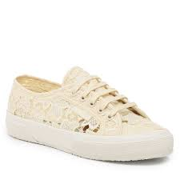 2750 MACRAME | SNEAKER | A07 | Beige lt Eggshell-FA | 35 | 64041990 | 8058188950794 | S81219W | 1 | € 35.50 | 79.00 € | Viet Nam
2750 MACRAME | SNEAKER | A07 | Beige lt Eggshell-FA | 36 | 64041990 | 8058188950817 | S81219W | 4 | € 35.50 | 79.00 € | Viet Nam
2750 MACRAME | SNEAKER | A07 | Beige lt Eggshell-FA | 37 | 64041990 | 8058182617686 | S81219W | 6 | € 35.50 | 79.00 € | Viet Nam
2750 MACRAME | SNEAKER | A07 | Beige lt Eggshell-FA | 37,5 | 64041990 | 8058188950824 | S81219W | 2 | € 35.50 | 79.00 € | Viet Nam
2750 MACRAME | SNEAKER | A07 | Beige lt Eggshell-FA | 38 | 64041990 | 8058188950831 | S81219W | 9 | € 35.50 | 79.00 € | Viet Nam
2750 MACRAME | SNEAKER | A07 | Beige lt Eggshell-FA | 39 | 64041990 | 8058188950848 | S81219W | 8 | € 35.50 | 79.00 € | Viet Nam
2750 MACRAME | SNEAKER | A07 | Beige lt Eggshell-FA | 39,5 | 64041990 | 8058188950855 | S81219W | 1 | € 35.50 | 79.00 € | Viet Nam
2750 MACRAME | SNEAKER | A07 | Beige lt Eggshell-FA | 40 | 64041990 | 8058188950862 | S81219W | 5 | € 35.50 | 79.00 € | Viet Nam
2750 MACRAME | SNEAKER | A07 | Beige lt Eggshell-FA | 41 | 64041990 | 8058188950879 | S81219W | 3 | € 35.50 | 79.00 € | Viet Nam
2750 MACRAME | SNEAKER | A07 | Beige lt Eggshell-FA | 42 | 64041990 | 8058188950893 | S81219W | 1 | € 35.50 | 79.00 € | Viet Nam
 |  |  |  |  |  |  |  | 40
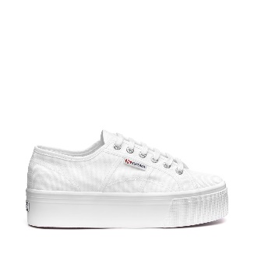 2790 PLATFORM | WEDGE | 901 | White | 35 | 64041990 | 8033889315448 | S9111LW | 13 | € 33.38 | 75.00 € | Viet Nam
2790 PLATFORM | WEDGE | 901 | White | 36 | 64041990 | 8033889315462 | S9111LW | 36 | € 33.38 | 75.00 € | Viet Nam
2790 PLATFORM | WEDGE | 901 | White | 37 | 64041990 | 8033889315479 | S9111LW | 65 | € 33.38 | 75.00 € | Viet Nam
2790 PLATFORM | WEDGE | 901 | White | 37,5 | 64041990 | 8033889315486 | S9111LW | 14 | € 33.38 | 75.00 € | Viet Nam
2790 PLATFORM | WEDGE | 901 | White | 38 | 64041990 | 8033889315493 | S9111LW | 92 | € 33.38 | 75.00 € | Viet Nam
2790 PLATFORM | WEDGE | 901 | White | 39 | 64041990 | 8033889315592 | S9111LW | 76 | € 33.38 | 75.00 € | Viet Nam
2790 PLATFORM | WEDGE | 901 | White | 39,5 | 64041990 | 8033889315608 | S9111LW | 14 | € 33.38 | 75.00 € | Viet Nam
2790 PLATFORM | WEDGE | 901 | White | 40 | 64041990 | 8033889315615 | S9111LW | 49 | € 33.38 | 75.00 € | Viet Nam
2790 PLATFORM | WEDGE | 901 | White | 41 | 64041990 | 8033889315622 | S9111LW | 27 | € 33.38 | 75.00 € | Viet Nam
2790 PLATFORM | WEDGE | 901 | White | 42 | 64041990 | 8033889315646 | S9111LW | 14 | € 33.38 | 75.00 € | Viet Nam
 |  |  |  |  |  |  |  | 400
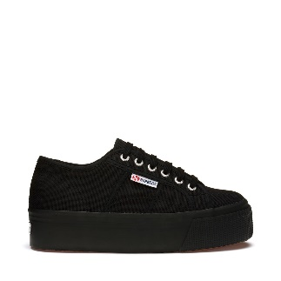 2790 PLATFORM | WEDGE | 996 | Full Black | 35 | 64041990 | 8033889315950 | S9111LW | 3 | € 33.38 | 75.00 € | Viet Nam
2790 PLATFORM | WEDGE | 996 | Full Black | 36 | 64041990 | 8033889315974 | S9111LW | 9 | € 33.38 | 75.00 € | Viet Nam
2790 PLATFORM | WEDGE | 996 | Full Black | 37 | 64041990 | 8033889315981 | S9111LW | 16 | € 33.38 | 75.00 € | Viet Nam
2790 PLATFORM | WEDGE | 996 | Full Black | 37,5 | 64041990 | 8033889315998 | S9111LW | 4 | € 33.38 | 75.00 € | Viet Nam
2790 PLATFORM | WEDGE | 996 | Full Black | 38 | 64041990 | 8033889316001 | S9111LW | 23 | € 33.38 | 75.00 € | Viet Nam
2790 PLATFORM | WEDGE | 996 | Full Black | 39 | 64041990 | 8033889316018 | S9111LW | 20 | € 33.38 | 75.00 € | Viet Nam
2790 PLATFORM | WEDGE | 996 | Full Black | 39,5 | 64041990 | 8033889316025 | S9111LW | 3 | € 33.38 | 75.00 € | Viet Nam
2790 PLATFORM | WEDGE | 996 | Full Black | 40 | 64041990 | 8033889316032 | S9111LW | 12 | € 33.38 | 75.00 € | Viet Nam
2790 PLATFORM | WEDGE | 996 | Full Black | 41 | 64041990 | 8033889316049 | S9111LW | 7 | € 33.38 | 75.00 € | Viet Nam
2790 PLATFORM | WEDGE | 996 | Full Black | 42 | 64041990 | 8033889316063 | S9111LW | 3 | € 33.38 | 75.00 € | Viet Nam
 |  |  |  |  |  |  |  | 100
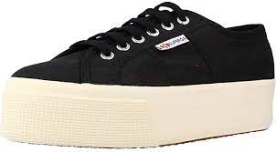 2790 PLATFORM | WEDGE | 999 | Black | 35 | 64041990 | 8033889316087 | S9111LW | 1 | € 33.38 | 75.00 € | Viet Nam
2790 PLATFORM | WEDGE | 999 | Black | 36 | 64041990 | 8033889316100 | S9111LW | 4 | € 33.38 | 75.00 € | Viet Nam
2790 PLATFORM | WEDGE | 999 | Black | 37 | 64041990 | 8033889316117 | S9111LW | 6 | € 33.38 | 75.00 € | Viet Nam
2790 PLATFORM | WEDGE | 999 | Black | 37,5 | 64041990 | 8033889316124 | S9111LW | 2 | € 33.38 | 75.00 € | Viet Nam
2790 PLATFORM | WEDGE | 999 | Black | 38 | 64041990 | 8033889316162 | S9111LW | 9 | € 33.38 | 75.00 € | Viet Nam
2790 PLATFORM | WEDGE | 999 | Black | 39 | 64041990 | 8033889316179 | S9111LW | 8 | € 33.38 | 75.00 € | Viet Nam
2790 PLATFORM | WEDGE | 999 | Black | 39,5 | 64041990 | 8033889316223 | S9111LW | 1 | € 33.38 | 75.00 € | Viet Nam
2790 PLATFORM | WEDGE | 999 | Black | 40 | 64041990 | 8033889316230 | S9111LW | 5 | € 33.38 | 75.00 € | Viet Nam
2790 PLATFORM | WEDGE | 999 | Black | 41 | 64041990 | 8033889316247 | S9111LW | 3 | € 33.38 | 75.00 € | Viet Nam
2790 PLATFORM | WEDGE | 999 | Black | 42 | 64041990 | 8033889316261 | S9111LW | 1 | € 33.38 | 75.00 € | Viet Nam
 |  |  |  |  |  |  |  | 40
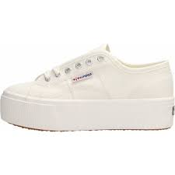 2790 PLATFORM | WEDGE | AC6 | Full White Avorio | 35 | 64041990 | 8054936130890 | S9111LW | 2 | € 33.38 | 75.00 € | Viet Nam
2790 PLATFORM | WEDGE | AC6 | Full White Avorio | 36 | 64041990 | 8054936130913 | S9111LW | 5 | € 33.38 | 75.00 € | Viet Nam
2790 PLATFORM | WEDGE | AC6 | Full White Avorio | 37 | 64041990 | 8052649308254 | S9111LW | 8 | € 33.38 | 75.00 € | Viet Nam
2790 PLATFORM | WEDGE | AC6 | Full White Avorio | 37,5 | 64041990 | 8054936130920 | S9111LW | 2 | € 33.38 | 75.00 € | Viet Nam
2790 PLATFORM | WEDGE | AC6 | Full White Avorio | 38 | 64041990 | 8054936130937 | S9111LW | 11 | € 33.38 | 75.00 € | Viet Nam
2790 PLATFORM | WEDGE | AC6 | Full White Avorio | 39 | 64041990 | 8054936130968 | S9111LW | 9 | € 33.38 | 75.00 € | Viet Nam
2790 PLATFORM | WEDGE | AC6 | Full White Avorio | 39,5 | 64041990 | 8054936130975 | S9111LW | 2 | € 33.38 | 75.00 € | Viet Nam
2790 PLATFORM | WEDGE | AC6 | Full White Avorio | 40 | 64041990 | 8054936130982 | S9111LW | 6 | € 33.38 | 75.00 € | Viet Nam
2790 PLATFORM | WEDGE | AC6 | Full White Avorio | 41 | 64041990 | 8054936130999 | S9111LW | 3 | € 33.38 | 75.00 € | Viet Nam
2790 PLATFORM | WEDGE | AC6 | Full White Avorio | 42 | 64041990 | 8054936131019 | S9111LW | 2 | € 33.38 | 75.00 € | Viet Nam
 |  |  |  |  |  |  |  | 50
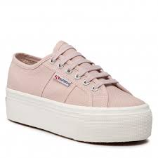 2790 PLATFORM | WEDGE | AFB | Pink Skin-F Avorio | 35 | 64041990 | 8054936131439 | S9111LW | 1 | € 33.38 | 75.00 € | Viet Nam
2790 PLATFORM | WEDGE | AFB | Pink Skin-F Avorio | 36 | 64041990 | 8054936131460 | S9111LW | 3 | € 33.38 | 75.00 € | Viet Nam
2790 PLATFORM | WEDGE | AFB | Pink Skin-F Avorio | 37 | 64041990 | 8054936131477 | S9111LW | 5 | € 33.38 | 75.00 € | Viet Nam
2790 PLATFORM | WEDGE | AFB | Pink Skin-F Avorio | 37,5 | 64041990 | 8054936131484 | S9111LW | 1 | € 33.38 | 75.00 € | Viet Nam
2790 PLATFORM | WEDGE | AFB | Pink Skin-F Avorio | 38 | 64041990 | 8054936131491 | S9111LW | 6 | € 33.38 | 75.00 € | Viet Nam
2790 PLATFORM | WEDGE | AFB | Pink Skin-F Avorio | 39 | 64041990 | 8054936131507 | S9111LW | 6 | € 33.38 | 75.00 € | Viet Nam
2790 PLATFORM | WEDGE | AFB | Pink Skin-F Avorio | 39,5 | 64041990 | 8054936131514 | S9111LW | 1 | € 33.38 | 75.00 € | Viet Nam
2790 PLATFORM | WEDGE | AFB | Pink Skin-F Avorio | 40 | 64041990 | 8054936131521 | S9111LW | 4 | € 33.38 | 75.00 € | Viet Nam
2790 PLATFORM | WEDGE | AFB | Pink Skin-F Avorio | 41 | 64041990 | 8054936131590 | S9111LW | 2 | € 33.38 | 75.00 € | Viet Nam
2790 PLATFORM | WEDGE | AFB | Pink Skin-F Avorio | 42 | 64041990 | 8054936131637 | S9111LW | 1 | € 33.38 | 75.00 € | Viet Nam
 |  |  |  |  |  |  |  | 30
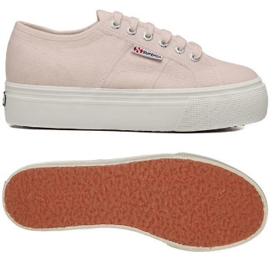 2790 PLATFORM | WEDGE | AKG | Pink Blush-F Avorio | 35 | 64041990 | 8058188823432 | S9111LW | 1 | € 33.38 | 75.00 € | Viet Nam
2790 PLATFORM | WEDGE | AKG | Pink Blush-F Avorio | 36 | 64041990 | 8058188823456 | S9111LW | 3 | € 33.38 | 75.00 € | Viet Nam
2790 PLATFORM | WEDGE | AKG | Pink Blush-F Avorio | 37 | 64041990 | 8058155792068 | S9111LW | 5 | € 33.38 | 75.00 € | Viet Nam
2790 PLATFORM | WEDGE | AKG | Pink Blush-F Avorio | 37,5 | 64041990 | 8058188823463 | S9111LW | 1 | € 33.38 | 75.00 € | Viet Nam
2790 PLATFORM | WEDGE | AKG | Pink Blush-F Avorio | 38 | 64041990 | 8058188823470 | S9111LW | 6 | € 33.38 | 75.00 € | Viet Nam
2790 PLATFORM | WEDGE | AKG | Pink Blush-F Avorio | 39 | 64041990 | 8058188823487 | S9111LW | 6 | € 33.38 | 75.00 € | Viet Nam
2790 PLATFORM | WEDGE | AKG | Pink Blush-F Avorio | 39,5 | 64041990 | 8058188823494 | S9111LW | 1 | € 33.38 | 75.00 € | Viet Nam
2790 PLATFORM | WEDGE | AKG | Pink Blush-F Avorio | 40 | 64041990 | 8058188823500 | S9111LW | 4 | € 33.38 | 75.00 € | Viet Nam
2790 PLATFORM | WEDGE | AKG | Pink Blush-F Avorio | 41 | 64041990 | 8058188823517 | S9111LW | 2 | € 33.38 | 75.00 € | Viet Nam
2790 PLATFORM | WEDGE | AKG | Pink Blush-F Avorio | 42 | 64041990 | 8058188823531 | S9111LW | 1 | € 33.38 | 75.00 € | Viet Nam
 |  |  |  |  |  |  |  | 30
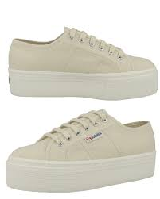 2790 PLATFORM | WEDGE | AKJ | Beige Lt Eggshell-F | 35 | 64041990 | 8058155618566 | S9111LW | 3 | € 33.38 | 75.00 € | Viet Nam
2790 PLATFORM | WEDGE | AKJ | Beige Lt Eggshell-F | 36 | 64041990 | 8058155618634 | S9111LW | 9 | € 33.38 | 75.00 € | Viet Nam
2790 PLATFORM | WEDGE | AKJ | Beige Lt Eggshell-F | 37 | 64041990 | 8058127567731 | S9111LW | 16 | € 33.38 | 75.00 € | Viet Nam
2790 PLATFORM | WEDGE | AKJ | Beige Lt Eggshell-F | 37,5 | 64041990 | 8058155618641 | S9111LW | 4 | € 33.38 | 75.00 € | Viet Nam
2790 PLATFORM | WEDGE | AKJ | Beige Lt Eggshell-F | 38 | 64041990 | 8058155618658 | S9111LW | 23 | € 33.38 | 75.00 € | Viet Nam
2790 PLATFORM | WEDGE | AKJ | Beige Lt Eggshell-F | 39 | 64041990 | 8058155618665 | S9111LW | 20 | € 33.38 | 75.00 € | Viet Nam
2790 PLATFORM | WEDGE | AKJ | Beige Lt Eggshell-F | 39,5 | 64041990 | 8058155618672 | S9111LW | 3 | € 33.38 | 75.00 € | Viet Nam
2790 PLATFORM | WEDGE | AKJ | Beige Lt Eggshell-F | 40 | 64041990 | 8058155618689 | S9111LW | 12 | € 33.38 | 75.00 € | Viet Nam
2790 PLATFORM | WEDGE | AKJ | Beige Lt Eggshell-F | 41 | 64041990 | 8058155618696 | S9111LW | 7 | € 33.38 | 75.00 € | Viet Nam
2790 PLATFORM | WEDGE | AKJ | Beige Lt Eggshell-F | 42 | 64041990 | 8058155618733 | S9111LW | 3 | € 33.38 | 75.00 € | Viet Nam
 |  |  |  |  |  |  |  | 100
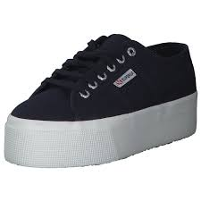 2790 PLATFORM | WEDGE | F43 | Navy-FWhite | 35 | 64041990 | 8033889317183 | S9111LW | 1 | € 33.38 | 75.00 € | Viet Nam
2790 PLATFORM | WEDGE | F43 | Navy-FWhite | 36 | 64041990 | 8033889317206 | S9111LW | 3 | € 33.38 | 75.00 € | Viet Nam
2790 PLATFORM | WEDGE | F43 | Navy-FWhite | 37 | 64041990 | 8033889317213 | S9111LW | 5 | € 33.38 | 75.00 € | Viet Nam
2790 PLATFORM | WEDGE | F43 | Navy-FWhite | 37,5 | 64041990 | 8033889317220 | S9111LW | 1 | € 33.38 | 75.00 € | Viet Nam
2790 PLATFORM | WEDGE | F43 | Navy-FWhite | 38 | 64041990 | 8033889317237 | S9111LW | 6 | € 33.38 | 75.00 € | Viet Nam
2790 PLATFORM | WEDGE | F43 | Navy-FWhite | 39 | 64041990 | 8033889317244 | S9111LW | 6 | € 33.38 | 75.00 € | Viet Nam
2790 PLATFORM | WEDGE | F43 | Navy-FWhite | 39,5 | 64041990 | 8033889317251 | S9111LW | 1 | € 33.38 | 75.00 € | Viet Nam
2790 PLATFORM | WEDGE | F43 | Navy-FWhite | 40 | 64041990 | 8033889317268 | S9111LW | 4 | € 33.38 | 75.00 € | Viet Nam
2790 PLATFORM | WEDGE | F43 | Navy-FWhite | 41 | 64041990 | 8033889317275 | S9111LW | 2 | € 33.38 | 75.00 € | Viet Nam
2790 PLATFORM | WEDGE | F43 | Navy-FWhite | 42 | 64041990 | 8033889317299 | S9111LW | 1 | € 33.38 | 75.00 € | Viet Nam
 |  |  |  |  |  |  |  | 30
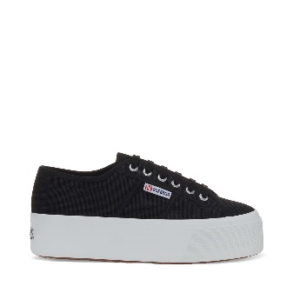 2790 PLATFORM | WEDGE | F83 | Black-FWhite | 35 | 64041990 | 8033889317312 | S9111LW | 1 | € 33.38 | 75.00 € | Viet Nam
2790 PLATFORM | WEDGE | F83 | Black-FWhite | 36 | 64041990 | 8033889317336 | S9111LW | 3 | € 33.38 | 75.00 € | Viet Nam
2790 PLATFORM | WEDGE | F83 | Black-FWhite | 37 | 64041990 | 8033889317343 | S9111LW | 5 | € 33.38 | 75.00 € | Viet Nam
2790 PLATFORM | WEDGE | F83 | Black-FWhite | 37,5 | 64041990 | 8033889317350 | S9111LW | 1 | € 33.38 | 75.00 € | Viet Nam
2790 PLATFORM | WEDGE | F83 | Black-FWhite | 38 | 64041990 | 8033889317367 | S9111LW | 6 | € 33.38 | 75.00 € | Viet Nam
2790 PLATFORM | WEDGE | F83 | Black-FWhite | 39 | 64041990 | 8033889317374 | S9111LW | 6 | € 33.38 | 75.00 € | Viet Nam
2790 PLATFORM | WEDGE | F83 | Black-FWhite | 39,5 | 64041990 | 8033889317381 | S9111LW | 1 | € 33.38 | 75.00 € | Viet Nam
2790 PLATFORM | WEDGE | F83 | Black-FWhite | 40 | 64041990 | 8033889317398 | S9111LW | 4 | € 33.38 | 75.00 € | Viet Nam
2790 PLATFORM | WEDGE | F83 | Black-FWhite | 41 | 64041990 | 8033889317404 | S9111LW | 2 | € 33.38 | 75.00 € | Viet Nam
2790 PLATFORM | WEDGE | F83 | Black-FWhite | 42 | 64041990 | 8033889317428 | S9111LW | 1 | € 33.38 | 75.00 € | Viet Nam
 |  |  |  |  |  |  |  | 30

